1. Title Page
Instacart Basket Analysis (Python Project)

Project Name: Instacart Basket Analysis
Date: September 2023
Analyst Name: Robert Riemer

Contents:
Population Flow
Consistency checks
Wrangling steps
Column derivations
Visualizations
Recommendations

Data Citation:
"The Instacart Online Grocery Shopping Dataset 2017"
Accessed from www.instacart.com/datasets/grocery-shopping-2017
via Kaggle on 9/23/23

2. Population Flow
Title page

Population flow

Exclusion flag
Condition: max_order <
Obervations to be removed:
Final total count of order_products_all:

Orders_products_combined
Orders_products_merged
Orders_products_all

Total: 32,404,859
Total: 32,404,859
Total: 32,404,859

1.) The grey boxes in the first row of the population flow represent the original data sets as they were when you downloaded them. In the Total fields you need to add the count of the rows when you imported the data set into Jupyter.
2.) The second row of boxes (coloured) represents the data sets after you manipulated them, e.g., removed missing values and duplicates. In the Total fields you need to add the count of the rows after conducting these operations. This offers a visual oveview of how the data flows throughout the data consistency checks.
3.) The third row, where also the arrows are coloured, represents the merges you performed between the datasets. In the Total fields you need to add the count of the rows in the merged datasets, so that you end up with the final dataset (in the red box). Keep in mind the final dataset should be without exclusions (based on the exclusion flag).

3. Consistency checks
 |  |  |  | Title page
Consistency checks

Dataset | Missing values | Missing values treatment | Duplicates
orders | 200k+ missing values | Representational. Left as is. | No duplicates
products | 16 missing values | Removed rows with missing values. | 5 duplicates
orders_products_prior | No missing values. | N/A | No duplicates
customers | 11,259 missing values. | No effect on analysis. Left as is. | No duplicates

4. Wrangling steps
 |  |  |  |  | Title page
Wrangling steps

E21A6:E22B12A6:E20A6:E20A6:F20B12A6:EA6:E20 | Columns dropped | Columns renamed | Columns' type changed | Comment/Reason
 | "eval_set" from orders |  |  | Did not provide any useful data for the analysis.
 |  | "order_dow" renamed "order_day_of_week" in orders. |  | Improved clarity.
 |  |  | "order_id" changed to string. | Useless for analysis as int64.
 |  |  | "user_id" changed to string. | Useless for analysis as int64.
 |  | "Unnamed" renamed "Index" in orders. |  | Incorrectly labeled.
 | "_merge" from orders_products_merged. |  |  | Replaced with similar column.
 |  | "STATE" renamed to "State" in customers. |  | Incorrectly formatted.
 |  | "Surnam" renamed to "Last name" in customers. |  | Incorrectly formatted.

 |  |  |  | In addition to the changes above, several columns
 |  |  |  | that contained PII were identified. These columns
 |  |  |  | include: "First name", "Last name", "Gender",
 |  |  |  | "State", "Age", "n_dependants", "fam_status",
 |  |  |  | & "income". These columns shall not be included in
 |  |  |  | the final report or be shown to the public.

5. Column derivations
 |  |  |  | Title page

Column derivations and aggregations

Dataset | New column | Column/s it was derived from | Conditions
orders_products_merged | price_range_loc | prices | Items under $5 labeled "Low-range product"
 |  |  | Items more than $5 and up to $15 labeled "Mid-range product"
 |  |  | Items more than $15 labeled "High-range product"
orders_products_merged | busiest day | order_day_of_week | Saturdays and Sundays were labeled "Busiest days"
 |  |  | Tuesdays and Wednesdays were labeled "Least busy"
 |  |  | All other days labeled "Regular busy"
orders_products_merged | busiest_period_of_day | order_hour_of_day | 10AM, 11AM, and 2PM labeled "Most orders"
 |  |  | 2AM, 3AM, and 4AM labeled "Fewest orders"
 |  |  | All other times labeled "Average orders"
orders_products_merged | loyalty_flag | max_order | Customers with more than 40 orders labeled "Loyal customer"
 |  |  | Customers with more than 10 and up to 40 orders labeled "Regular Customer"
 |  |  | Customers with 10 or less orders labeled "New customer"
orders_products_merged | spending_flag | spending_average | Customers averaging less than $10 per order labeled "Low spender"
 |  |  | Customers averaging more than $10 per order labeled "High spender"
orders_products_merged | frequency_flag | frequency_median | Customers with median frequency of 10 days or less labeled "Frequent Customer"
 |  |  | Customers with median frequency more than 10 days and up to 20 days labeled "Regular Customer"
 |  |  | Customers with a median frequency of more than 20 days labeled "Non-frequent Customer"
orders_products_all | Region | State | Northeastern states labeled "Northeast"
 |  |  | Midwestern states labeled "Midwest"
 |  |  | Southern states labeled "South"
 |  |  | Western states labeled "West"
orders_products_all | active_flag | order_number | Customers with 5 or more orders labeled "Active"
 |  |  | Customers with lesss than 5 orders labeled "Inactive"
orders_products_all | Profile | Age | Customers under the age of 30 labeled "Young Adult"
 |  | n_dependants | Customers under the age of 30 and with at least 1 dependent labeled "Young Parent"
 |  | fam_status | Customers 30 years or older but less than 65 years labeled "Adult"
 |  |  | Customers 30 years or older but less than 65 years and no spouse labeled "Single Adult"
 |  |  | Customers 30 years or older but less than 65 years with at least 1 dependent labeled "Parent"
 |  |  | Customers 65 years or older labeled "Senior"
 |  |  | Customers who are married but have no dependants labeled "Married w/o kids"

6. Visualizations
 |  |  |  | Title page

Visualisations

In this tab you should include all the visualtions from Exercises 4.9 and 4.10, alongside the questions from the project brief that they answer. Include any commentary on the relationship between different variables.

Is there a difference in spending habits between regions?
What kinds of different customers shop at Instacart?
Do different demographics shop in different departments?

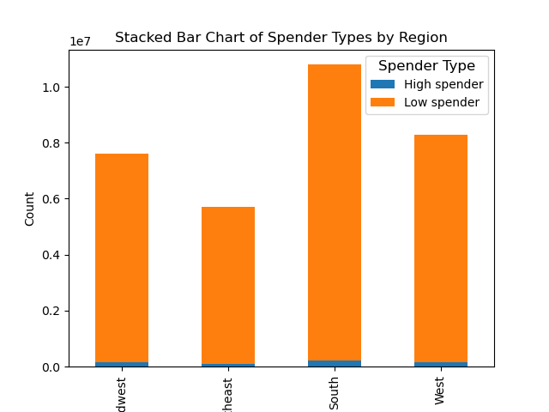
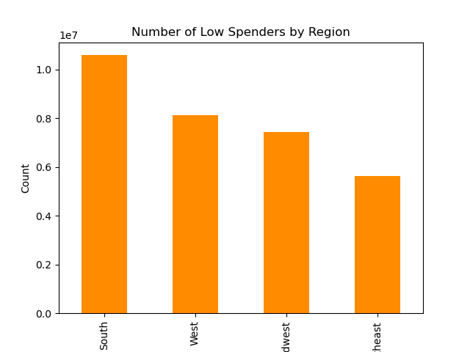
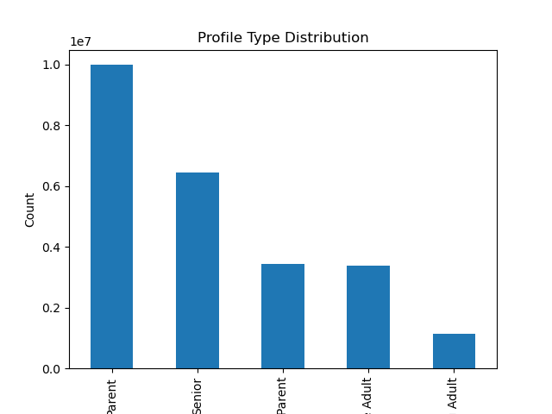
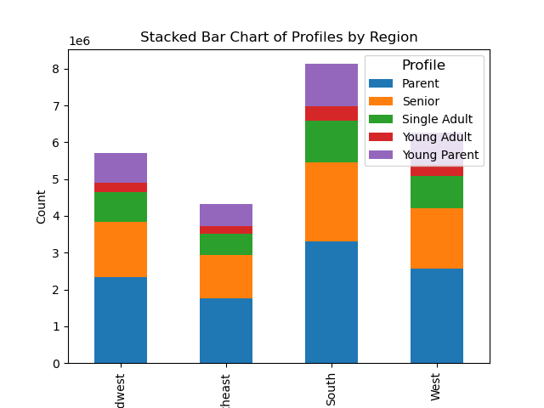
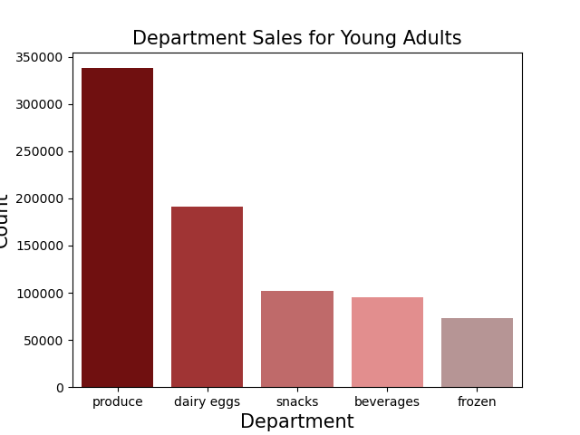





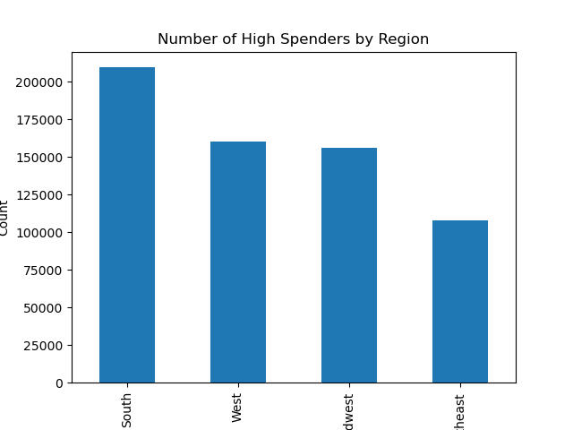

 |  |  |  |  |  |  |  |  |  |  |  |  |  | Young Adults | Young Parents | Single Adults | Parents | Seniors
Out of the 20 departments available at Instacart, all demographics had the same top 5 most popular departments and in the same order. The distribution of purchases from the top 5 departments are also all very similar. From these graphs we can conclude that there is no apparent difference in shopping habits between the different profiles. We can also conclude that the top 5 most frequented departments are:
1. Produce
2. Dairy/Eggs
3. Snacks
4. Beverages
5. Frozen

There are significantly more low-spenders than high-spenders in every region of the country. The distribution of low-spenders and high-spenders between regions appears almost identical. It appears to be the case that the number of high or low spenders is directly proportional to the region's total customer population.
Midwest | Northeast | South | West
 |  |  |  |  | Parent | Senior | Young Parent | Single Adult | Young Adult | Midwest | Northeast | South | West

Young Parents and Young Adults are all under the age of 30. Seniors are 65 years and older.

Is there a difference in shopping frequency between regions?
Is there a difference in department popularity between different frequency groups?
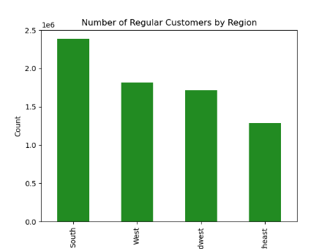
Is there a difference in amount of money spent on a daily or weekly basis?
Is there a relationship between a customer's age and their income?

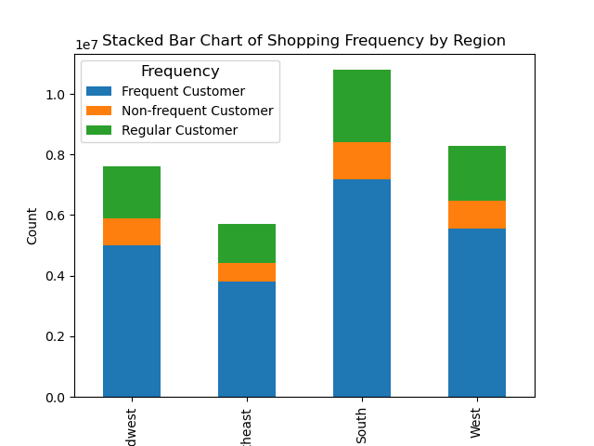
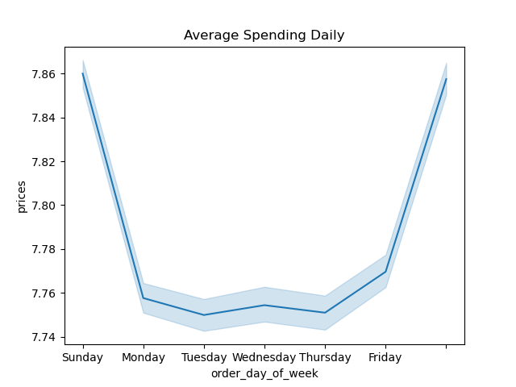
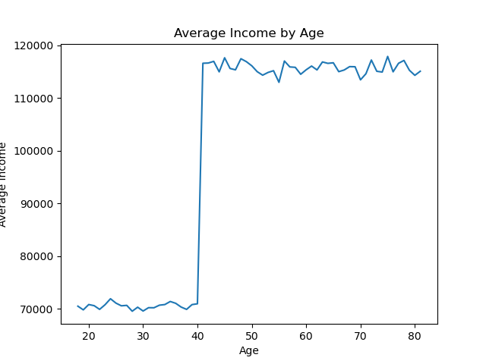



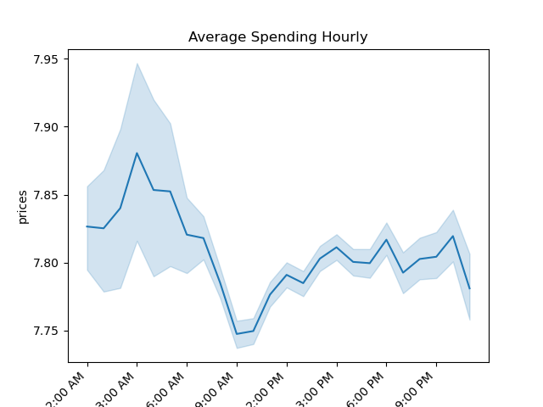



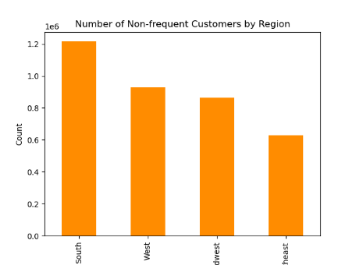

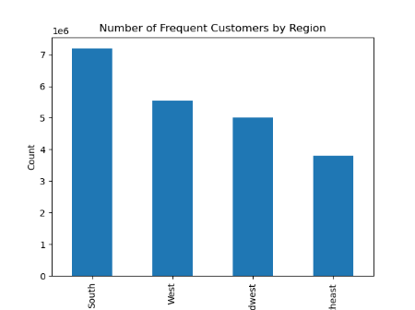

The department popularity seems to be the same between all shopper frequency types just like the profile types. They all have the same top 5 most popular departments and all in the same order. It does not seem like customer type or frequency type play a role in shopping needs and necesities.
The weekly linechart shows that customers tend to spend a larger amount of money on Instacart orders during the weekend, likely because they are shopping for the rest of the week. On a daily basis there is not as clear of a pattern. There is a peak around 3:00 AM and a low aroud 9:00 AM but the range of values is only $0.15 so this would need to explored further.
The average income by age scatterplot shos that there is a sharp increase in income after the age of 40 and the linegraph confirms this relationship. There is an incredible increase in average income of Instacart customers after age 40.
Midwest | Northeast | South | West
The most common customer type is the frequent-shopper who has a median frequency 10 or fewer days between orders. the next largest group type is the regular-shopper with a median frequency of 10 or more days but fewer than 20 days between orders. Lastly the Non-frequent-shoppers have a median of more than 20 days between orders.

7. Recommendations
 |  |  |  |  | Title page

Recommendations

In this tab you should include any recommendations you would made to Instcart in terms of their marketing strategy based on the questions posed in the brief. Every key question has been covered in the Tasks of the Exercises - here you need to add an item - a visualisation or table/crosstable that is showing the answer in the data, acompanied by a comment from you. Please, list the questions below and add the answer underneath.

Question
Key Question 1 | What is the geographic distribution of Instacart customers across US Regions?
Key Question 2 | Is there a difference in spending habits between regions?
Key Question 3 | Is there a difference in orders on hourly or daily basis?
Key Question 4 | Is there a relationship between age and income for Instacart shoppers?
Key Question 5 | Is there a difference in customer frequency distribution between regions?
Key Question 6 | What types of people make up Instacart's clientele?
Key Question 7 | Do different regions have different types of customers?
Key Question 8 | Is there a difference in department preferences between profile types?
Key Question 9 | Is there a difference in department preferences between frequency types?

 |  | 1. What is the geographic distribution of Instacart customers across US Regions? | 2. Is there a difference in spending habits between regions?

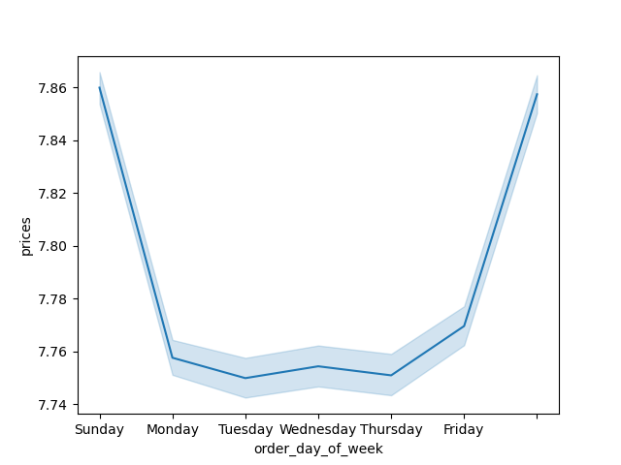




 |  | The regions of the US in order of total Instacart customers are: South, West, Midwest, | The order of regions by population of spending types is identical to the total population.
 |  | and Northeast. | The regions with larger populations will have more high and low spenders typically.

 |  | 3. Is there a difference in spending on hourly or daily basis? | 4. Is there a relationship between age and income for Instacart shoppers?
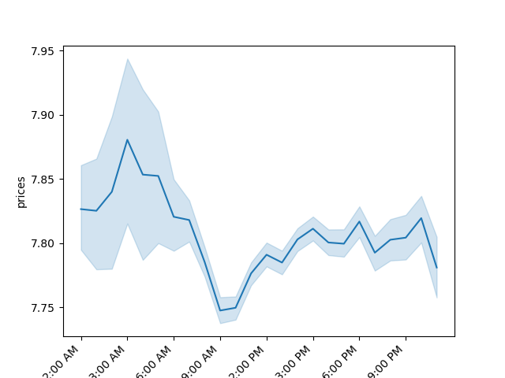



 |  |  |  | Looking at whether there is a relationship
 |  |  |  | between age and income reveals an
 |  | The line graph on the left reveals that customers spend more money on the weekends |  | interesting discovery. The scatterplot shows
 |  | rather than the weekdays. The graph on the right shows that there is not much difference |  | there are no customers under 40 with an
 |  | in spending depending on the hour of the day. There is a peak around 3:00 AM and a drop |  | income greater than 400k but there are
 |  | at 9:00 AM which can be explored further. |  | several over 40. The linegraph shows
 |  |  |  | that customers over 40 make a significantly
 |  |  |  | larger income than those younger.

 |  | 5. Is there a difference in customer frequency distribution between regions? | 6. What types of people make up Instacart's clientele?


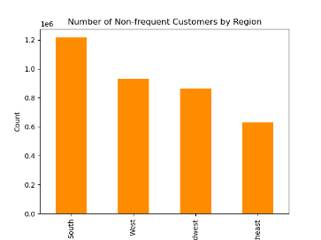



 |  |  | The different profiles created for Instacart shoppers are: Young Adult, Young Parent, Single
 |  | The distribution of shopper frequency types across regions is also identical to the total | Adult, Parent, Senior. Young Adults and Young Parents are less than 30 years old and
 |  | population. The Southern region has the most of every kind of shopper and the | Seniors are above 65. Parents and Single Adults are in between this range. Parents are
 |  | Northeastern region has the least. | definied as having 1 or more dependent.

 |  | 7. Do different regions have different types of customers? | 8. Is there a difference in department preferences between profile types?







 |  |  | The department preferences between profile types all appear exactly identical. Out of the
 |  |  | 20 departments at Instacart, every type of customer had the same top 5 most visited
 |  | The distribtution of profile types can be seen in the stacked bar chart above. The | departments and in the same order. The most popular departments in order were:
 |  | distribtution of every type also appears to be identical to the total population | produce, dairy/eggs, snacks, beverages, frozen.
 |  | distribution. There is no apparent regional difference between neither frequency nor
 |  | profile type.

 |  | 9. Is there a difference in department preferences between frequency types?





 |  | The different frequency types also all had the same top 5 most visited departments as all
 |  | of the profile types. It appears to be the case that the profile type and frequency type
 |  | have little effect on the shopping needs of Instacart customers. Instead of advertising to
 |  | different demographics of customers, Instacart should focus their advertising on their
 |  | most popular departments as they appear to be universal.

